Sheet1
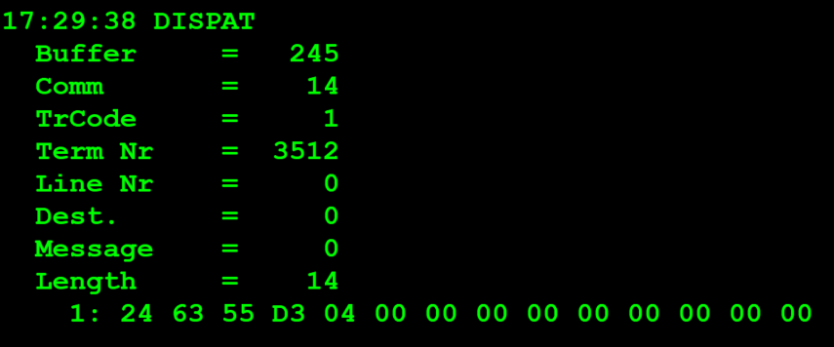
TestByte |  | Size | Field Contents |  | Hex | Bin | Dec
Start | End
1 | 1 | 1 | Control | Sequence | 27 | Control=0010 Sequence=0111 | 2 7 | Control -> x10 - Application Message Sequence ->7
2 | 2 | 1 | Type = 6 | Subtype = (1-9) | 63 | Type=0011 Subtype=0000 | Type=6 Subtype=3 | Type = 6 (report) Subtype = 3 (Financial)
3 | 4 | 2 | Checksum
5 | 5 | 1 | Class = Based on Subtype
6 | 6 | 1 | Subclass = Based on Subtype
7 | 7+n | n | See variations below
For all Financial Reports including Invoice Report:
 | 7 | 7 | 1 | Report Type
 | 8 | 9 | 2 | Report Pass number
 | 10 | 13 | 4 | Agent number to report on
 | 14 | 14 | 1 | Segment number

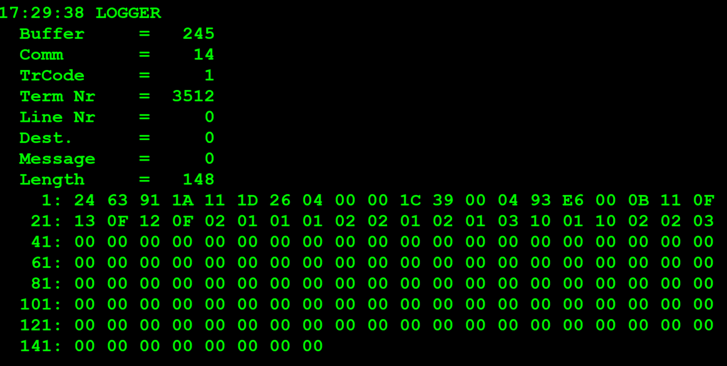
TestByte |  | Size | Field Contents
Start | End
1 | 1 | 1 | Control | Sequence | 27 | Control=0010 Sequence=0111 | 2 7 | Control -> x10 - Application Message Sequence ->7
2 | 2 | 1 | Type = 6 | Subtype = 3 | 63 | Type=0011 Subtype=0000 | Type=6 Subtype=3 | Type = 6 (report) Subtype = 3 (Financial)
3 | 4 | 2 | Checksum
5 | 7 | 3 | Time
8 | 8 | 1 | Class = 4
9 | 9 | 1 | Subclass = 0-8
10 | 10 | 1 | Report Type
11 | 12 | 2 | CDC Date
13 | 16 | 4 | Agent Number
17 | 17 | 1 | Options byte |  |  |  |  |  |  |  |  |  | PIN: 1111 | Pass do Manager do Estabelecimento
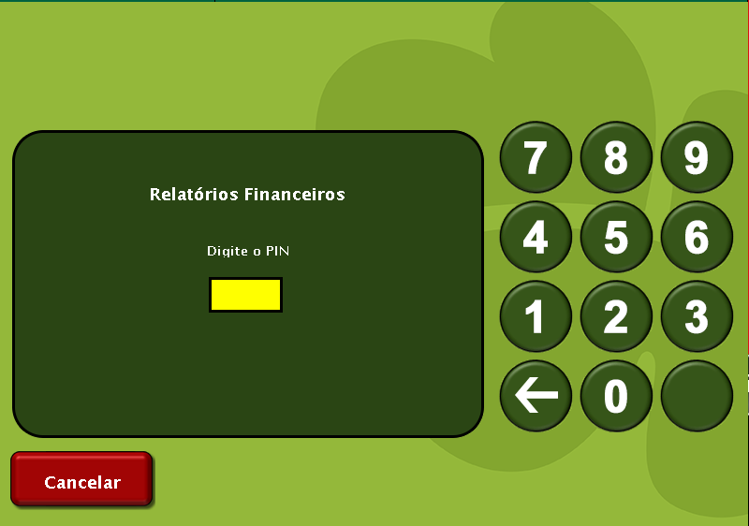
18 | 18 | 1 | Number of games sent (n)
19 | 19+n*2 | n*2 | Byte Array of Game type byte and game index byte for number of games

 |  |  |  |  |  |  |  |  | 4 | Cash Count for each game
 |  |  |  |  |  |  |  |  | 4 | Cash Amount for each game (Validation units)

 |  |  |  |  |  |  |  |  | Next 4 bytes | Cash Count for Instant Validations
 |  |  |  |  |  |  |  |  | Next 4 bytes | Cash Amount for Instant Validations
 |  |  |  |  |  |  |  |  | Next 4 bytes | Total Count
 |  |  |  |  |  |  |  |  | Next 8 bytes | Total Amount (I8 validation units)

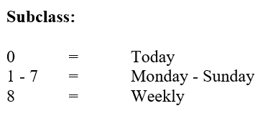

 |  |  |  |  |  |  |  |  | # | Game Name | Game Type | Game Index
 |  |  |  |  |  |  |  |  | 1 | Euromilhões (*) | 17 | 1
 |  |  |  |  |  |  |  |  | 2 | M1lhão (*) | 19 | 2
 |  |  |  |  |  |  |  |  | 3 | Placard (*) | 18 | 1
 |  |  |  |  |  |  |  |  | 4 | Totobola Normal | 2 | 1
 |  |  |  |  |  |  |  |  | 5 | Totoloto | 1 | 1
 |  |  |  |  |  |  |  |  | 6 | Totobola Extra 2 | 2 | 2
 |  |  |  |  |  |  |  |  | 7 | Loto2 | 1 | 2
 |  |  |  |  |  |  |  |  | 8 | Joker | 4 | 1
 |  |  |  |  |  |  |  |  | 9 | Totoloto Sábado (Totoloto Quarta included) | 1 | 3
 |  |  |  |  |  |  |  |  | 10 | Lotaria Clássica | 16 | 1
 |  |  |  |  |  |  |  |  | 11 | Lotaria Popular | 16 | 2
 |  |  |  |  |  |  |  |  | 12 | Totobola Extra 1 | 2 | 3

